Sheet1
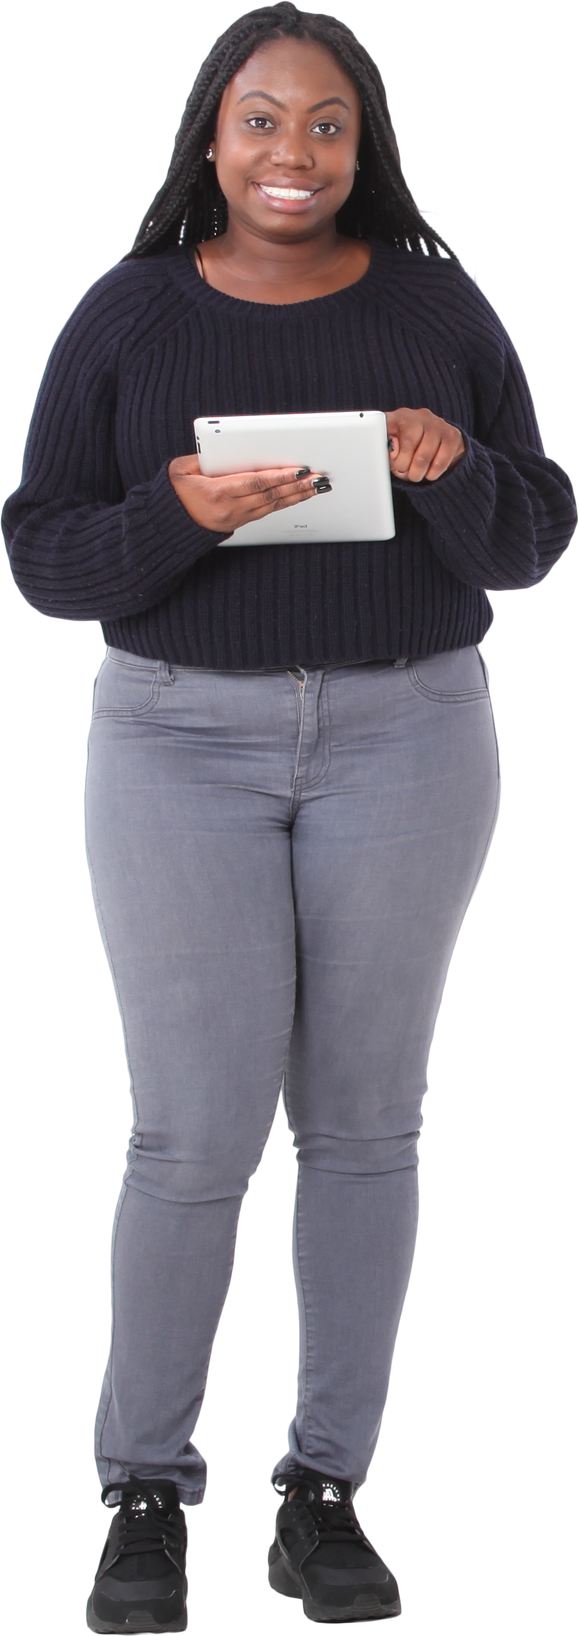
Year | Winners | Runners-up | Answer Expected
2018 | France | Croatia | Teams | Times
2014 | Germany | Argentina | Argentina-Germany | 3
2010 | Spain | Netherlands | Brazil-Italy | 2
2006 | Italy | France
2002 | Brazil | Germany
1998 | France | Brazil
Encontre o par de equipes que jogaram finais mais de uma vez uma contra a outra
1994 | Brazil | Italy
1990 | Germany | Argentina
1986 | Argentina | Germany
1982 | Italy | Germany
1978 | Argentina | Netherlands
1974 | Germany | Netherlands
1970 | Brazil | Italy
1966 | England | Germany
1962 | Brazil | Czechoslovakia
1958 | Brazil | Sweden
1954 | Germany | Hungary
1950 | Uruguay | Brazil
1938 | Italy | Hungary
1934 | Italy | Czechoslovakia
1930 | Uruguay | Argentina

